Sheet1
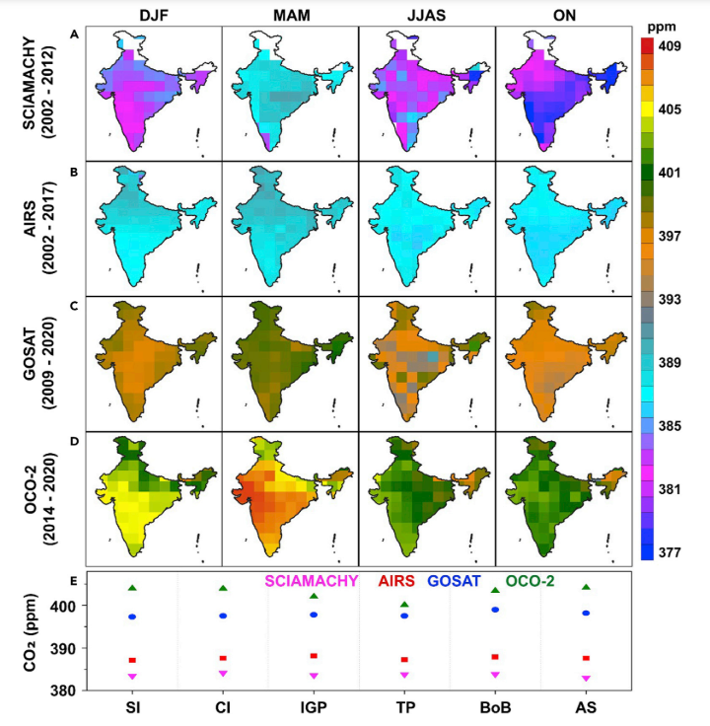
Region | City | Year | [SO2] in μg/m3 | P(SO2) | [CO2] in ppm | P(CO2)
NW | Ahmedabad | 2001 | 10 | 0.0002 | 387 | 0.0095
PENINSULAR | Bangalore | 2001 | 20 | 0.0005 | 388 | 0.0095
PENINSULAR | Chennai | 2001 | 17 | 0.0004 | 387 | 0.0095
NW | Delhi | 2001 | 13 | 0.0003 | 390 | 0.0095
WCR | Hyderabad | 2001 | 10 | 0.0002 | 389 | 0.0095
NE | Kolkata | 2001 | 18 | 0.0004 | 387 | 0.0095
WCR | Mumbai | 2001 | 16 | 0.0004 | 386 | 0.0094
NW | Ahmedabad | 2002 | 12.3 | 0.0003 | 387 | 0.0095
PENINSULAR | Bangalore | 2002 | 13.4 | 0.0003 | 388 | 0.0095
PENINSULAR | Chennai | 2002 | 19.9 | 0.0005 | 387 | 0.0095
NW | Delhi | 2002 | 11.3 | 0.0003 | 390 | 0.0095
WCR | Hyderabad | 2002 | 7.27 | 0.0002 | 389 | 0.0095
NE | Kolkata | 2002 | 11.4 | 0.0003 | 387 | 0.0095
WCR | Mumbai | 2002 | 9.07 | 0.0002 | 386 | 0.0094
NW | Ahmedabad | 2003 | 16 | 0.0004 | 387 | 0.0095
PENINSULAR | Bangalore | 2003 | 12 | 0.0003 | 388 | 0.0095
PENINSULAR | Chennai | 2003 | 15 | 0.0004 | 387 | 0.0095
NW | Delhi | 2003 | 10 | 0.0002 | 390 | 0.0095
WCR | Hyderabad | 2003 | 6 | 0.0001 | 389 | 0.0095
NE | Kolkata | 2003 | 17 | 0.0004 | 387 | 0.0095
WCR | Mumbai | 2003 | 8 | 0.0002 | 386 | 0.0094
NW | Ahmedabad | 2004 | 15.7 | 0.0004 | 387 | 0.0095
PENINSULAR | Bangalore | 2004 | 8.5 | 0.0002 | 388 | 0.0095
PENINSULAR | Chennai | 2004 | 12.2 | 0.0003 | 387 | 0.0095
NW | Delhi | 2004 | 9.89 | 0.0002 | 390 | 0.0095
WCR | Hyderabad | 2004 | 5.63 | 0.0001 | 389 | 0.0095
NE | Kolkata | 2004 | 9.33 | 0.0002 | 387 | 0.0095
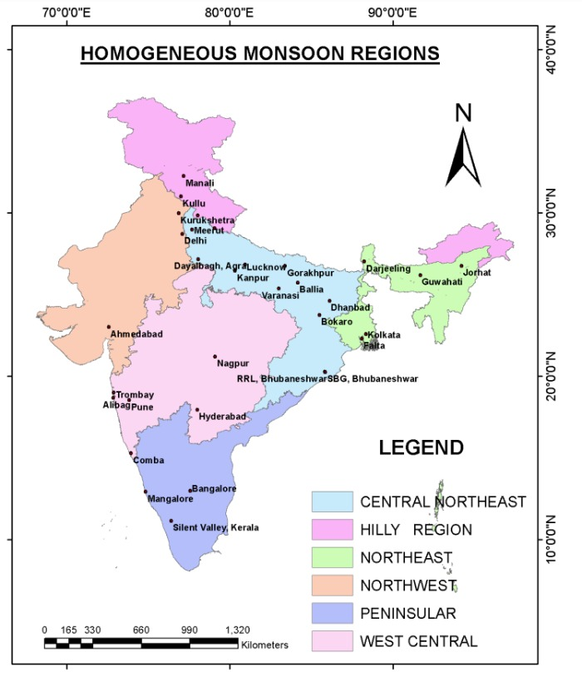
WCR | Mumbai | 2004 | 6.67 | 0.0002 | 386 | 0.0094
NW | Ahmedabad | 2008 | 12.3 | 0.0003 | 396 | 0.0097
PENINSULAR | Bangalore | 2008 | 15.2 | 0.0004 | 393 | 0.0096
PENINSULAR | Chennai | 2008 | 9.5 | 0.0002 | 396 | 0.0097
NW | Delhi | 2008 | 6.6 | 0.0002 | 396 | 0.0097
WCR | Hyderabad | 2008 | 5.5 | 0.0001 | 393 | 0.0096
NE | Kolkata | 2008 | 7 | 0.0002 | 394 | 0.0096
WCR | Mumbai | 2008 | 8.7 | 0.0002 | 394 | 0.0096
NW | Ahmedabad | 2009 | 16 | 0.0004 | 396 | 0.0097
PENINSULAR | Bangalore | 2009 | 14 | 0.0003 | 393 | 0.0096
PENINSULAR | Chennai | 2009 | 9 | 0.0002 | 396 | 0.0097
NW | Delhi | 2009 | 6 | 0.0001 | 396 | 0.0097
WCR | Hyderabad | 2009 | 5 | 0.0001 | 393 | 0.0096
NE | Kolkata | 2009 | 11 | 0.0003 | 394 | 0.0096
WCR | Mumbai | 2009 | 6 | 0.0001 | 394 | 0.0096
NW | Ahmedabad | 2012 | 12 | 0.0003 | 403 | 0.0099
PENINSULAR | Bangalore | 2012 | 14 | 0.0003 | 403 | 0.0099
PENINSULAR | Chennai | 2012 | 12 | 0.0003 | 402 | 0.0098
NW | Delhi | 2012 | 5 | 0.0001 | 403 | 0.0099
WCR | Hyderabad | 2012 | 4 | 0.0001 | 401 | 0.0098
NE | Kolkata | 2012 | 12 | 0.0003 | 400 | 0.0098
WCR | Mumbai | 2012 | 5 | 0.0001 | 403 | 0.0099
NW | Ahmedabad | 2013 | 12 | 0.0003 | 403 | 0.0099
PENINSULAR | Bangalore | 2013 | 13 | 0.0003 | 403 | 0.0099
PENINSULAR | Chennai | 2013 | 14 | 0.0003 | 402 | 0.0098
NW | Delhi | 2013 | 4 | 0.0001 | 403 | 0.0099
WCR | Hyderabad | 2013 | 5 | 0.0001 | 401 | 0.0098
NE | Kolkata | 2013 | 11 | 0.0003 | 400 | 0.0098
WCR | Mumbai | 2013 | 3 | 0.0001 | 403 | 0.0099
NW | Ahmedabad | 2014 | 13 | 0.0003 | 403 | 0.0099
PENINSULAR | Bangalore | 2014 | 13 | 0.0003 | 403 | 0.0099
PENINSULAR | Chennai | 2014 | 13 | 0.0003 | 402 | 0.0098
NW | Delhi | 2014 | 5 | 0.0001 | 403 | 0.0099
WCR | Hyderabad | 2014 | 5 | 0.0001 | 401 | 0.0098
NE | Kolkata | 2014 | 9 | 0.0002 | 400 | 0.0098
WCR | Mumbai | 2014 | 4 | 0.0001 | 403 | 0.0099
NW | Ahmedabad | 2015 | 13 | 0.0003 | 403 | 0.0099
PENINSULAR | Bangalore | 2015 | 6 | 0.0001 | 403 | 0.0099
PENINSULAR | Chennai | 2015 | 13 | 0.0003 | 402 | 0.0098
NW | Delhi | 2015 | 5 | 0.0001 | 403 | 0.0099
WCR | Hyderabad | 2015 | 4 | 0.0001 | 401 | 0.0098
NE | Kolkata | 2015 | 7 | 0.0002 | 400 | 0.0098
WCR | Mumbai | 2015 | 4 | 0.0001 | 403 | 0.0099
NW | Ahmedabad | 2016 | 14 | 0.0003 | 403 | 0.0099
PENINSULAR | Bangalore | 2016 | 3 | 0.0001 | 403 | 0.0099
PENINSULAR | Chennai | 2016 | 10 | 0.0002 | 402 | 0.0098
NW | Delhi | 2016 | 7 | 0.0002 | 403 | 0.0099
WCR | Hyderabad | 2016 | 4 | 0.0001 | 401 | 0.0098
NE | Kolkata | 2016 | 4 | 0.0001 | 400 | 0.0098
WCR | Mumbai | 2016 | 6 | 0.0001 | 403 | 0.0099
NW | Ahmedabad | 2017 | 14 | 0.0003 | 403 | 0.0099
PENINSULAR | Bangalore | 2017 | 2 | 0.0000 | 403 | 0.0099
PENINSULAR | Chennai | 2017 | 9 | 0.0002 | 402 | 0.0098
NW | Delhi | 2017 | 7 | 0.0002 | 403 | 0.0099
WCR | Hyderabad | 2017 | 6 | 0.0001 | 401 | 0.0098
NE | Kolkata | 2017 | 6 | 0.0001 | 400 | 0.0098
WCR | Mumbai | 2017 | 3 | 0.0001 | 403 | 0.0099
NW | Ahmedabad | 2018 | 16 | 0.0004 | 403 | 0.0099
PENINSULAR | Bangalore | 2018 | 2 | 0.0000 | 403 | 0.0099
PENINSULAR | Chennai | 2018 | 9 | 0.0002 | 402 | 0.0098
NW | Delhi | 2018 | 15 | 0.0004 | 403 | 0.0099
WCR | Hyderabad | 2018 | 5 | 0.0001 | 401 | 0.0098
NE | Kolkata | 2018 | 6 | 0.0001 | 400 | 0.0098
WCR | Mumbai | 2018 | 2 | 0.0000 | 403 | 0.0099
NW | Ahmedabad | 2019 | 20 | 0.0005 | 403 | 0.0099
PENINSULAR | Bangalore | 2019 | 3 | 0.0001 | 403 | 0.0099
PENINSULAR | Chennai | 2019 | 9 | 0.0002 | 402 | 0.0098
NW | Delhi | 2019 | 14 | 0.0003 | 403 | 0.0099
WCR | Hyderabad | 2019 | 5 | 0.0001 | 401 | 0.0098
NE | Kolkata | 2019 | 8 | 0.0002 | 400 | 0.0098
WCR | Mumbai | 2019 | 2 | 0.0000 | 403 | 0.0099
NW | Ahmedabad | 2020 | 14 | 0.0003 | 403 | 0.0099
PENINSULAR | Bangalore | 2020 | 2 | 0.0000 | 403 | 0.0099
PENINSULAR | Chennai | 2020 | 8 | 0.0002 | 402 | 0.0098
NW | Delhi | 2020 | 13 | 0.0003 | 403 | 0.0099
WCR | Hyderabad | 2020 | 4 | 0.0001 | 401 | 0.0098
NE | Kolkata | 2020 | 8 | 0.0002 | 400 | 0.0098
WCR | Mumbai | 2020 | 2 | 0.0000 | 403 | 0.0099
NW | Ahmedabad | 2021 | 14 | 0.0003 | 403 | 0.0099
PENINSULAR | Bangalore | 2021 | 2 | 0.0000 | 403 | 0.0099
PENINSULAR | Chennai | 2021 | 8 | 0.0002 | 402 | 0.0098
NW | Delhi | 2021 | 13 | 0.0003 | 403 | 0.0099
WCR | Hyderabad | 2021 | 4 | 0.0001 | 401 | 0.0098
NE | Kolkata | 2021 | 8 | 0.0002 | 400 | 0.0098
WCR | Mumbai | 2021 | 2 | 0.0000 | 403 | 0.0099
 |  | Average = | 9.155 | 0.00022397977161 | 397.58928571 | 0.0097271389849

